Pivot Table 3
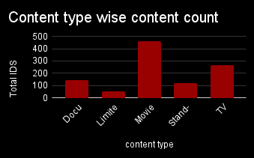
Content type wise Duration Minutes
AVERAGE of imdb_rating vs content_type

Investment Vs Return

Dashbord
NETFLIX

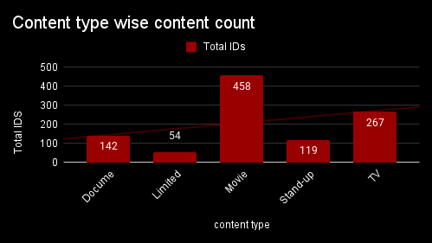
Content type wise Duration Minutes

AVERAGE of imdb_rating vs content_type
Investment Vs Return

